Sheet1
 |  |  | Homai Train Station - Inspection and Test Plan

Project Area |  | Homai Train Station |  |  |  | Rev | 3 |  | Inspection and Test Codes:
Activity Title |  | Bridge Abutment A Construction |  |  |  | Date | 2024-12-31 |  | [R] Review | Review of reports, records or other evidence of compliance.
Location |  |  |  |  |  | Lot No. |  |  | [I] Inspection | In process check, work proceeds. Record the check if required.
Ref # |  | DN1212-ITP-009 |  |  |  |  |  |  | [W] Witness | Inspection to be witnessed on site and recorded. Record to be filed.
DNZ Project Manager: |  | Dan Trotman |  |  |  |  |  |  | [H] Hold | No work to proceed past Hold Point until this is completed, recorded and released
AT Project Manager: |  | Werner Nel
DNZ Project Engineer: |  | Grant Wallace
Drawings/Reference Documents: |  | 3235599-SP03-ST-3001 - PROPOSED ACCESS RAMP- GENERAL NOTES 3235599-SP03-ST-3002 - PROPOSED ACCESS RAMP- GENERAL NOTES- REINFORCED CONCRETE (SHEET1 OF 2) 3235599-SP03-ST-3003 - PROPOSED ACCESS RAMP- GENERAL NOTES- REINFORCED CONCRETE (SHEET2 OF 2) 3235599-SP03-ST-3004 - PROPOSED ACCESS RAMP- GENERAL NOTES- STRUCTURAL STEELWORK 3235599-SP03-ST-3100 - PROPOSED ACCESS RAMP- GENERAL ARRANGEMENT- PLAN AND ELEVATION 3235599-SP03-ST-3250 - PROPOSED ACCESS RAMP- ABUTMENT DETAILS- SHEET1 3235599-SP03-ST-3251 - PROPOSED ACCESS RAMP- ABUTMENT DETAILS- SHEET1 Temporaray Works Drawings - Piers 1, 2, 3 and 4. (Scaffolding and & Formwork) Reinforcement Steel Detail Sheets - Pier 1, 2, 3 & 4.
Specifications: |  | NZS 3104: Specification for Concrete Production NZS 3109: Concrete Construction NZS 3101: Concrete Structures Standard NZS 3121: Specification for Methods of test for Concrete NZS 3114: Specifications for Concrete Surface Finishes App 1C - 746-24-847-AC - Tech Spec - Geo & Struc NZS 3101:2006 Concrete Structures Standard NZS 3104:2021 Specification for Concrete Production AS/NZS 4671:2019 Steel for the Reinforcement of Concrete Waka Kotahi NZ Transport Agency Bridge Manual Third Edition, Amendment 4 AS/NZS 4671 - Steel for the reinforcement of Concrete AS/NZS 3661.1:1993 ‘Slip resistance of pedestrian surfaces
ITP Item # | Construction Activity or Material Element |  | Standard, Drawing or Specification Reference | Construction Activity Description, Test Type and Acceptance Criteria |  | Test Frequency |  | QA Record | Verification Method and On Site Responsibilities |  |  | DNZ Rep Sign and Date
 |  |  |  |  |  |  |  |  | DNZ Engineer | Engineer's Rep | Designer Rep
1 | PRELIMINARY AND GENERAL
1.1 | Method Statement Development & Safety Analysis |  | The Downer Standards (TDS) | Prior to Construction: Document Review Method Statement & JSEA Completed & signed by relevant authority |  | Once |  | Work pack (MS,JSEA,ITP) | H | R | R | Sign | Date
1.2 | IFC Drawings and Specification |  | ACC | A minimum of two weeks prior to construction: document review. DWG’s are for construction or as per instruction Works done in accordance with KiwiRail specification |  | Once |  | N/A | R |  |  | Sign | Date
1.3 | Model |  | ACC | Model reviewed and confirmed with correct location; depth, height and orientation for column, headstock and stiarcase |  | Once |  | N/A | R |  |  | Sign | Date
1.4 | Permit to Dig |  | DG-ZH-ST004 Ground Disturbance | Prior to construction. Permit in work package |  | Permit issued each week |  | FlowForm Permit Register/Permit Number …...... | H |  |  | Sign | Date
1.5 | Lifting Permit |  | DG-ZH-ST047 Cranes and Lifting Equipment Loads | Prior to construction. Permit in work package |  | Prior to Construction when required |  | FlowForm Permit Register/Permit Number …...... | H |  |  | Sign | Date
2 | MATERIAL APPROVALS
2.1 | Concrete Mix Design |  | 3235599-SP03-ST-3250: Note 2.1 | Concrete mix details shall be provided to the Engineer for review and approval. 40MPa @ 28 Day Compressive Strength. |  | Once |  | Mix Certification Plant Certification InEight Approval .................. | R |  | H | Sign | Date
2.2 | Reinforcing Cage |  | 3235599-SP03-ST-3250: Note: 2.3 3235599-SP03-ST-3002 AS/NZS 4671 | As per Abutment Reinforcing IFC detail drawing. Shop Drawings shall be provided to the Engineer for review and approval. Grade 500E MA. |  | Once |  | Mill Test Certificates Delivery Dockets Shop Drawing Approval ................... | I |  | H | Sign | Date
2.3 | Formwork |  | MDS Temporaray works drawings Abutment A | Formwork of choice from sub-contractor, Standard panels up to 900mm wide modules Full range of safety features High Quality plywood to provide F5 finish. |  | Once |  | MDS | I |  | R | Sign | Date
2.4 | Formwork Curing Agent |  | MDS | Chemical curing agent. |  | Once |  | MDS | R |  | R | Sign | Date
2.5 | RCC65 |  | MDS | Recycled crushed concrete 65. |  | Once |  | Test Reports InEight Approval ............... | R |  | R | Sign | Date
2.6 | Threaded M20 Bolts |  | 3235599-SP03-ST-3250: Note 1.5 | Grade 316 (A4) SS M20 uplift restraint hold down bolts, to have UTS of 700MPa. |  | Once |  | Mill Certificates Delivery Dockets | I |  | R | Sign | Date
2.7 | Geotextile (Bidim) |  | MDS | Geotextile A29 or similar approved material. |  | Once |  | MDS | R |  | R | Sign | Date
2.8 | Sika Rugasol C |  | NZS 3104 3235599-SP03-ST-3002, Section 2.1 | Sika Rugasol C to be used for forming construction joint. |  | Once |  | MDS | R |  | R | Sign
2.90 | Bearing |  | AS5100.4 NZTA Bridge Manual 3235599-SP03-ST-3252: Section 2 | All details and dimensions to be confirmed upon final bearing selection, including coordination of hold down bolts with the bearing supplier. Bearing shall be replaceable, bearing shall have temporary transit plates that hold the bearing in the preset position ready for installation. Bearings shall be level in both directions after making allowance for girder camber if any. |  | Once |  | Bearing Certification InEight Approval ................... | R | R | H | Sign | Date
3 | CONSTRUCTION ACTIVITIES
3.1 | Survey Setout |  | 3235599-SP03-ST-3100 3235599-SP03-ST-3150 3235599-SP03-ST-3202 | 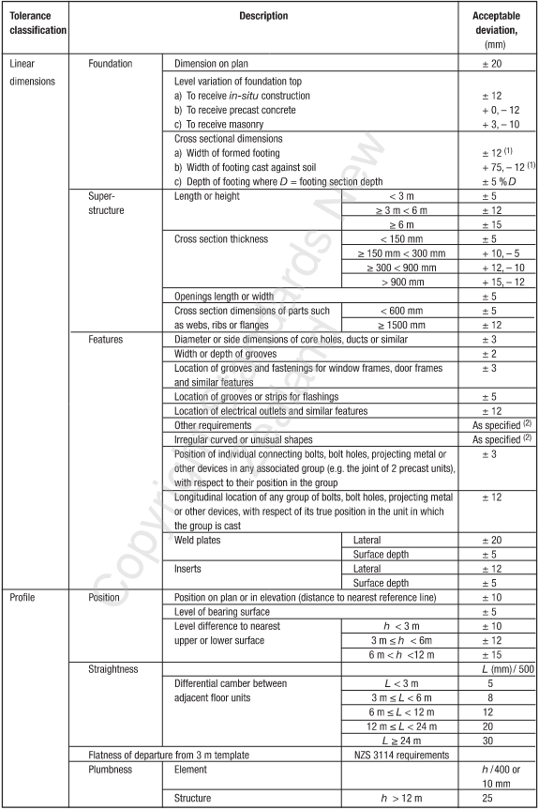 Survey set out Abutment position based on model. Set out to include; Centre of abutment, height and offsets. Tollerances for insitu concrete pour taken from NZS 3109 table 5.2 |  | Once |  | As-Built | W |  |  | Sign | Date

3.2 | Excavation |  | 3235599-SP03-ST-3250 | Excavtion to be 1000mm below existing platform level. Insitu subgrade material at the base of undercut shall be inspected by the Engineer to confirm design assuptions prior to backfilling. |  | Once |  | Photos | I |  |  | Sign | Date
3.3 | Subgrade Testing |  | 3235599-SP03-ST-3250: Note 3.2 | Minimum subgrade shear strength of 40kPa. |  | Once |  | Shear Vane Test Results Photos | H |  | I | Sign | Date
3.4 | Subgrade Undercut (If required) |  | 746-24-847-AC Tech Spec Section C0302.4.2 3235599-SP03-ST-3250: Note 3.2 | Prior to subgrade undercutting, the Engineer shall confirm the extent of subgrade undercut and fill requirements. Undercut area to be wrampped in A29 and backfilled and compacted in layers of 200mm RCC65. |  | Once |  | As-Built Photo | I |  | H
3.5 | Backfill & Compaction |  | 3235599-SP03-ST-3250 746-24-847-AC Tech Spec Section C0302.4.3,4&5 | Subgrade to be covered with A29 or similar approved Geotextile. Backfill to be in maximum of 200mm layers. Each lift to be tested to 95% MDD. |  | Once |  | NDM Test Results Photos | H |  | I | Sign | Date
3.6 | Formwork Installation |  | MDS | As per Temporaray works drawings for Abutment A and shop drawings. |  | Once |  | Pre-Pour Checksheet Photos | H |  |  | Sign | Date
3.7 | Reinforcing Cage Installation |  | 3235599-SP03-ST-3250 | Installed as per IFC detail drawing. |  | Once |  | Pre-Pour Checksheet Photos | H |  | I | Sign | Date
3.8 | Girder Installation on Temporary shore loading |  | 3235599-SP03-ST-3250 | Shore loading sign off by the Temporary Works Engineer. Surveyor as-built for girder installation. |  | Per Girder |  | As-Built PT Load Certificate | H
3.9 | M20 Threaded Rods Installation |  | 3235599-SP03-ST-3250: Note 1.5 | M20 Grade 316 threaded rod with SS nut, lock nut and nylon washer to be installed in the reinforcing cage, and to have 250mm minimum embedment into abutment. |  | Once |  | Pre-Pour Checksheet Photos | H |  | I | Sign | Date
3.10 | Concrete Pre-Pour Inspection |  | 3235599-SP03-ST-3250 | Reinforcing cage as per IFC and shop drawings. Correct number of bars and grade. Correct steel lapping. Minimum cover to be 40mm or 75mm if casted directly on exposed earth. |  | Once |  | Survey Check Structural Engineer Inspection MSQA SVR Pre-Pour Checksheet Photos | I |  | H | Sign | Date
3.11 | Concrete Pour |  | 3235599-SP03-ST-3250: Note 2.1 | Concrete: 40MPa 28 Days Concrete Compressive Strength. |  | Each Pour |  | Delivery Dockets Compressive Test Results Photos | H |  | W | Sign | Date
3.12 | Abutment Surface Finish |  | 3235599-SP03-ST-3250: Note 2.4 | All surfaces subjected to foot traffic to have F5 finish (exposed aggregate finish). |  | Every Section |  | Photos | I |  | I | Sign | Date
4 | FINAL RECORDS
4.1 | As-Built |  | DN1212-DOW-PLA-PM-0005 QMP | Installed as per design drawings. All compliance recorded CAD files |  | Once |  | As-Built | H |  | R | Sign | Date
4.2 | Redline Mark-Up |  | IFC Drawings | IFC Drawings mark-Up on ACC sheets dated and signed. |  | Once |  | IFC Drawings Mark-Up on ACC | H |  | R | Sign | Date
4.3 | Non-conformances |  | DN1212-DOW-PLA-PM-0005 QMP | Non-conformances reports to be raised when specification not met. All non-conformances within the area under review need to be listed on the NCR report. NCR Reference ….................. |  | Each NCR |  | NCR forms on InEight | H |  |  | Sign | Date
Comments:
ITP APPROVAL PROCESS
Prepared By: Site Engineer |  |  | Moses Kaufanga |  | Signed: |  | Date:
Reviewed By: Project Manager |  |  | Dan Trotman |  | Signed: |  | Date:
Reviewed by: Quality Mgr./Eng. |  |  | Nas Matar |  | Signed: |  | Date:
Reviewed By: Design Engineer |  |  | Daniel Cvitanich |  | Signed: |  | Date:
Reviewed By: AT Project Manager |  |  | Werner Nel |  | Signed: |  | Date:
Reviewed By: AT Engineer to Contract |  |  | Mike Robertson |  | Signed: |  | Date:
FINAL ITP CLOSE-OUT
Downer Project/Site Engineer |  |  |  |  | Signed: |  | Date:
QA Mgr./Engineer |  |  |  |  | Signed: |  | Date:
Engineer Rep(Assistant) |  |  |  |  | Signed: |  | Date:

